C Struktur
NFFL C |  |  |  | Gameday Ost | Gameday west | NFFL C | CN North |  | CE East |  | CSW South West
Aemme Buzzards I | C1 | C1 | C2 | 2 | 6 |  | Aemme Buzzards I | CN1 | Zurich Renegades C | CE1 | Aemme Buzzards II | CSW1
Zurich Renegades A | C2 | C1 | C3 | 1 | 6 |  | Zurich Renegades B | CN2 | Winterthur Warriors Cardinal | CE2 | Blackbucks Uni Bern Black | CSW2
Blackbucks Uni Bern White | C3 | C1 | C4 | 4 | 8 |  | Blackbucks Uni Bern White | CN3 | St. Gallen Bears | CE3 | Bienna Jets Young Guns | CSW3
Winterthur Warriors Cardinal | C4 | C1 | C5 | 1 | 6 |  | Basel Barbarians | CN4 | Lake Zürich Red Scorpions | CE4 | Chaux de Fonds Hornets | CSW4
Lake Zürich Red Scorpions | C5 | C1 | C6 | 4 | 9 |  | Fraumatt Legions | CN5 | Thurgauer Generals | CE5 | Thun Tigers | CSW5
Thurgauer Generals | C6 | C1 | C7 | 3 | 7 |  | Zofingen Cheetahs | CN6 | Schottikon Raptors | CE6 | Lugano Rebels | CSW6
Schottikon Raptors | C7 | C1 | C8 | 3 | 8 |  | Argovia Pirates | CN7 | Rafz Bulldogs B | CE7
St. Gallen Bears | C8 | C1 | C9 | 4 | 9 |  |  |  | Gameday hin | Gameday Rück |  |  | Gameday hin | Gameday Rück
Rafz Bulldogs B | C9 | C1 | C10 | 2 | 7 |  | CN1 | CN2 | 1 | 4 | CW1 | CW2 | 1 | 3
Argovia Pirates | C10 | C2 | C3 | 1 | 6 |  | CN1 | CN3 | 2 | 5 | CW1 | CW3 | 2 | 4
Aemme Buzzards II | C11 | C2 | C4 | 3 | 7 |  | CN1 | CN4 | 3 | 6 | CW1 | CW4 | 3 | 5
Zurich Renegades B | C12 | C2 | C5 | 4 | 8 |  | CN1 | CN5 | 3 | 6 | CW1 | CW5 | 2 | 4
Blackbucks Uni Bern Three | C13 | C2 | C6 | 3 | 8 |  | CN1 | CN6 | 2 | 5 | CW1 | CW6 | 1 | 5
Thun Tigers | C14 | C2 | C7 | 2 | 7 |  | CN1 | CN7 | 1 | 4 | CW2 | CW3 | 1 | 5
Basel Barbarians | C15 | C2 | C8 | 4 | 9 |  | CN2 | CN3 | 1 | 4 | CW2 | CW4 | 2 | 4
Bienna Jets Young Guns | C16 | C2 | C9 | 1 | 6 |  | CN2 | CN4 | 2 | 5 | CW2 | CW5 | 3 | 5
Chaux de Fonds Hornets | C17 | C2 | C10 | 4 | 9 |  | CN2 | CN5 | 3 | 6 | CW2 | CW6 | 2 | 4
Lugano Rebels | C18 | C3 | C4 | 2 | 7 |  | CN2 | CN6 | 3 | 6 | CW3 | CW4 | 1 | 3
Fraumatt Legions | C19 | C3 | C5 | 3 | 8 |  | CN2 | CN7 | 2 | 5 | CW3 | CW5 | 2 | 4
Zofingen Cheetahs | C20 | C3 | C6 | 3 | 7 |  | CN3 | CN4 | 1 | 4 | CW3 | CW6 | 3 | 5
 |  | C3 | C7 | 2 | 6 |  | CN3 | CN5 | 2 | 5 | CW4 | CW5 | 1 | 5
Gruppe "Ost" |  | C3 | C8 | 4 | 9 |  | CN3 | CN6 | 3 | 6 | CW4 | CW6 | 2 | 4
Modus: |  | C3 | C9 | 4 | 9 |  | CN3 | CN7 | 3 | 6 | CW5 | CW6 | 1 | 3
4 gamedays |  | C3 | C10 | 4 | 8 |  | CN4 | CN5 | 1 | 4
mit je 2 Spielen |  | C4 | C5 | 4 | 9 |  | CN4 | CN6 | 2 | 5
einfach runde |  | C4 | C6 | 4 | 9 |  | CN4 | CN7 | 3 | 6
10 fields per day |  | C4 | C7 | 3 | 8 |  | CN5 | CN6 | 1 | 4
1 gameday mit 5 felder. |  | C4 | C8 | 1 | 6 |  | CN5 | CN7 | 2 | 5
 |  | C4 | C9 | 2 | 6 |  | CN6 | CN7 | 1 | 4
 |  | C4 | C10 | 1 | 6
 |  | C5 | C6 | 1 | 6 |  | CO1 | CO2 | 1 | 4
 |  | C5 | C7 | 4 | 9 |  | CO1 | CO3 | 2 | 5
 |  | C5 | C8 | 2 | 7 |  | CO1 | CO4 | 3 | 6
 |  | C5 | C9 | 3 | 7 |  | CO1 | CO5 | 3 | 6
 |  | C5 | C10 | 2 | 6 |  | CO1 | CO6 | 2 | 5
 |  | C6 | C7 | 4 | 8 |  | CO1 | CO7 | 1 | 4
 |  | C6 | C8 | 2 | 6 |  | CO2 | CO3 | 1 | 4
 |  | C6 | C9 | 2 | 7 |  | CO2 | CO4 | 2 | 5
 |  | C6 | C10 | 1 | 6 |  | CO2 | CO5 | 3 | 6
 |  | C7 | C8 | 1 | 6 |  | CO2 | CO6 | 3 | 6
 |  | C7 | C9 | 1 | 6 |  | CO2 | CO7 | 2 | 5
 |  | C7 | C10 | 4 | 9 |  | CO3 | CO4 | 1 | 4
 |  | C8 | C9 | 4 | 8 |  | CO3 | CO5 | 2 | 5
 |  | C8 | C10 | 3 | 7 |  | CO3 | CO6 | 3 | 6
 |  | C9 | C10 | 3 | 8 |  | CO3 | CO7 | 3 | 6
 |  |  |  |  |  |  | CO4 | CO5 | 1 | 4
 |  |  |  |  |  |  | CO4 | CO6 | 2 | 5
 |  |  |  |  |  |  | CO4 | CO7 | 3 | 6
 |  |  |  |  |  |  | CO5 | CO6 | 1 | 4
 |  |  |  |  |  |  | CO5 | CO7 | 2 | 5
 |  |  |  |  |  |  | CO6 | CO7 | 1 | 4

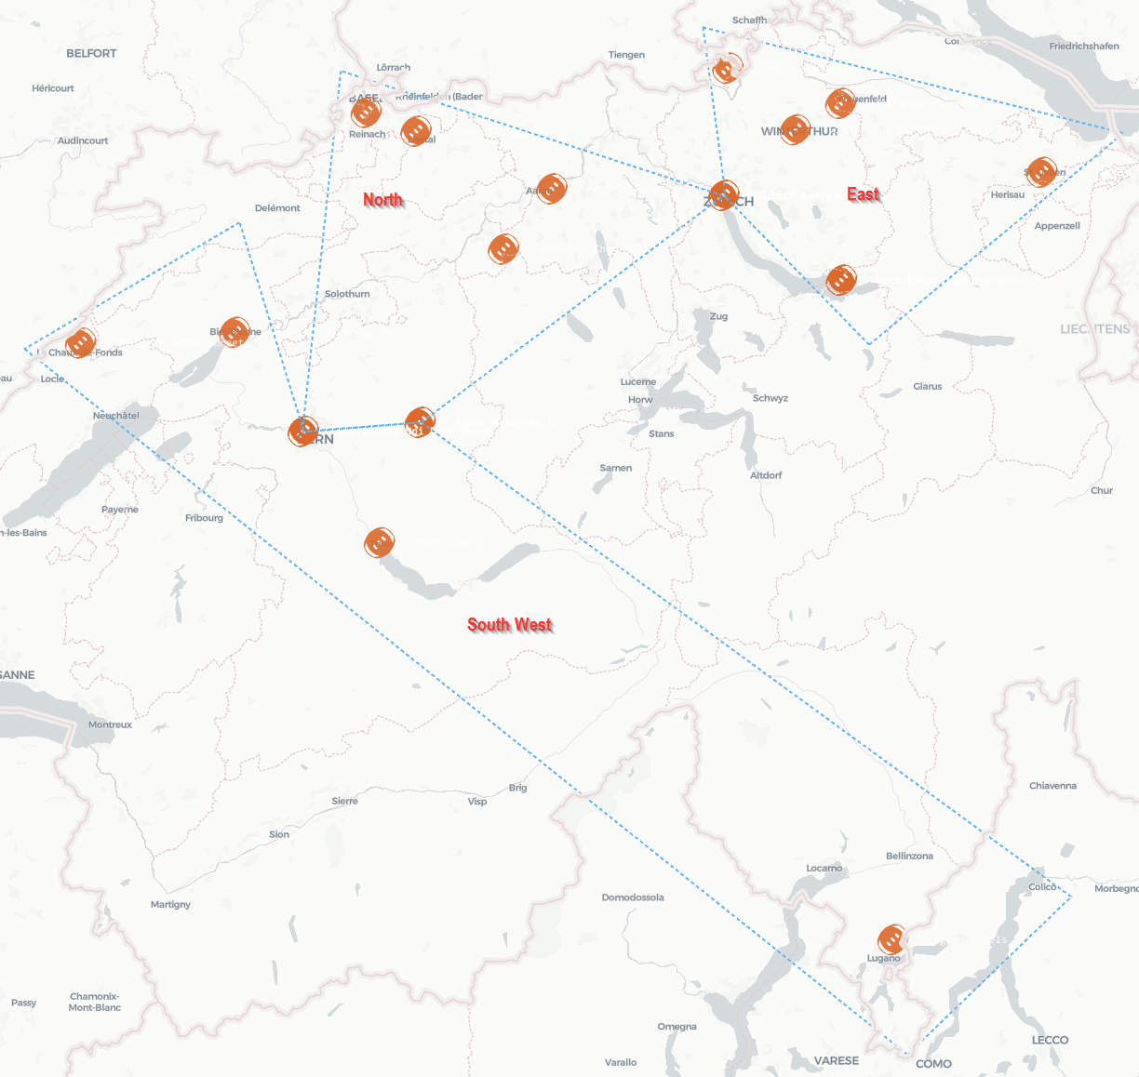
 | lat | lon | Team | icon
 | 46.9749951 | 7.7352136 | Aemme Buzzards I | football
 | 47.3818149 | 8.5353261 | Zurich Renegades A | football
 | 46.9588575 | 7.4273286 | Blackbucks Uni Bern White | football
 | 47.4988196 | 8.7236889 | Winterthur Warriors Cardinal | football
 | 47.2301899 | 8.8455398 | Lake Zürich Red Scorpions | football
 | 47.545641 | 8.8437189 | Thurgauer Generals | football
 | 47.2301899 | 8.8455398 | Schottikon Raptors | football
 | 47.4229096 | 9.3735493 | St. Gallen Bears | football
 | 47.6083878 | 8.546169 | Rafz Bulldogs B | football
 | 47.39358 | 8.08233 | Argovia Pirates | football
 | 46.9749951 | 7.7352136 | Aemme Buzzards II | football
 | 47.3818149 | 8.5353261 | Zurich Renegades B | football
 | 46.9588575 | 7.4273286 | Blackbucks Uni Bern Three | football
 | 46.7579868 | 7.6279881 | Thun Tigers | football
 | 47.5297931 | 7.5931705 | Basel Barbarians | football
 | 47.1367785 | 7.2467909 | Bienna Jets Young Guns | football
 | 47.1176783 | 6.8405667 | Chaux de Fonds Hornets | football
 | 46.03615 | 8.98126 | Lugano Rebels | football
 | 47.4962418 | 7.7245825 | Fraumatt Legions | football
 | 47.2858886 | 7.9552286 | Zofingen Cheetahs | football

C Playoffs
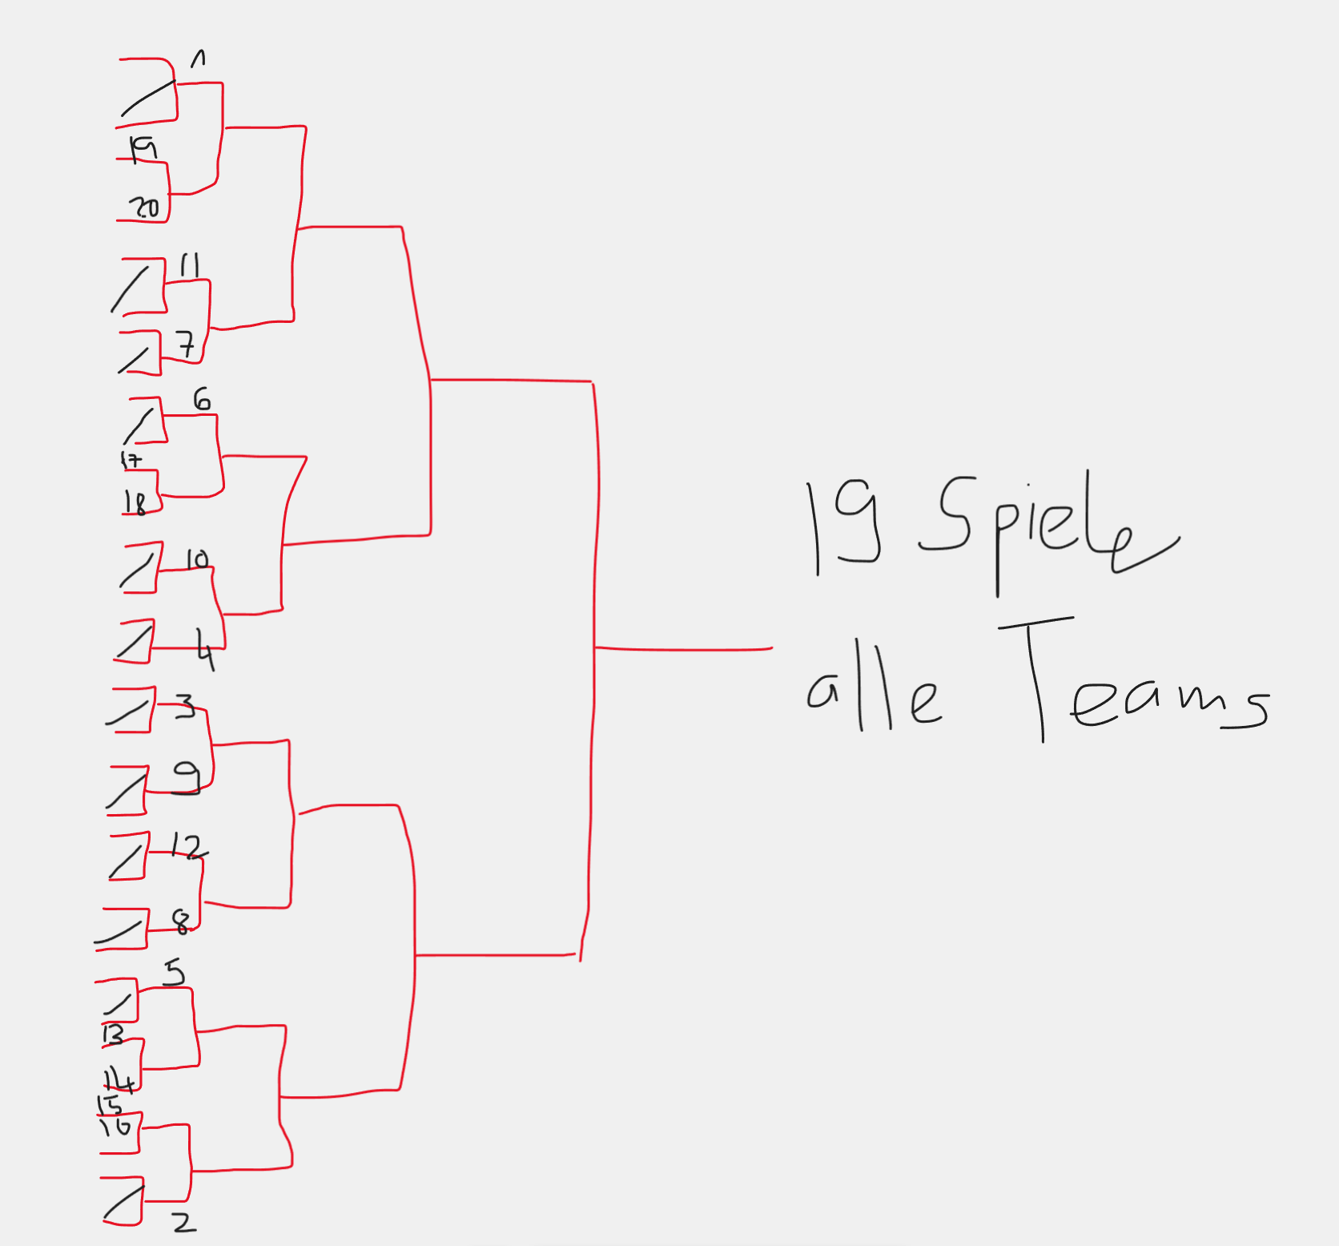
8er Tableau |  |  |  |  | Nord |  | Ost |  | SüdWest
 |  |  |  |  | Aemme Buzzards I | CN1 | Zurich Renegades B | CO1 | Aemme Buzzards II | CW1
QF | HF | F |  |  | Zurich Renegades A | CN2 | Winterthur Warriors Cardinal | CO2 | Blackbucks Uni Bern Black | CW2
1 |  |  |  |  | Blackbucks Uni Bern White | CN3 | St. Gallen Bears | CO3 | Bienna Jets Young Guns | CW3
8 |  |  |  |  | Basel Barbarians | CN4 | Lake Zürich Red Scorpions | CO4 | Chaux de Fonds Hornets | CW4
4 |  |  |  |  | Fraumatt Legions | CN5 | Thurgauer Generals | CO5 | Thun Tigers | CW5
5 |  |  | 7 Spiele |  | Zofingen Cheetahs | CN6 | Schottikon Raptors | CO6 | Lugano Rebels | CW6
2 |  |  |  |  | Argovia Pirates | CN7 | Rafz Bulldogs B | CO7
7
3
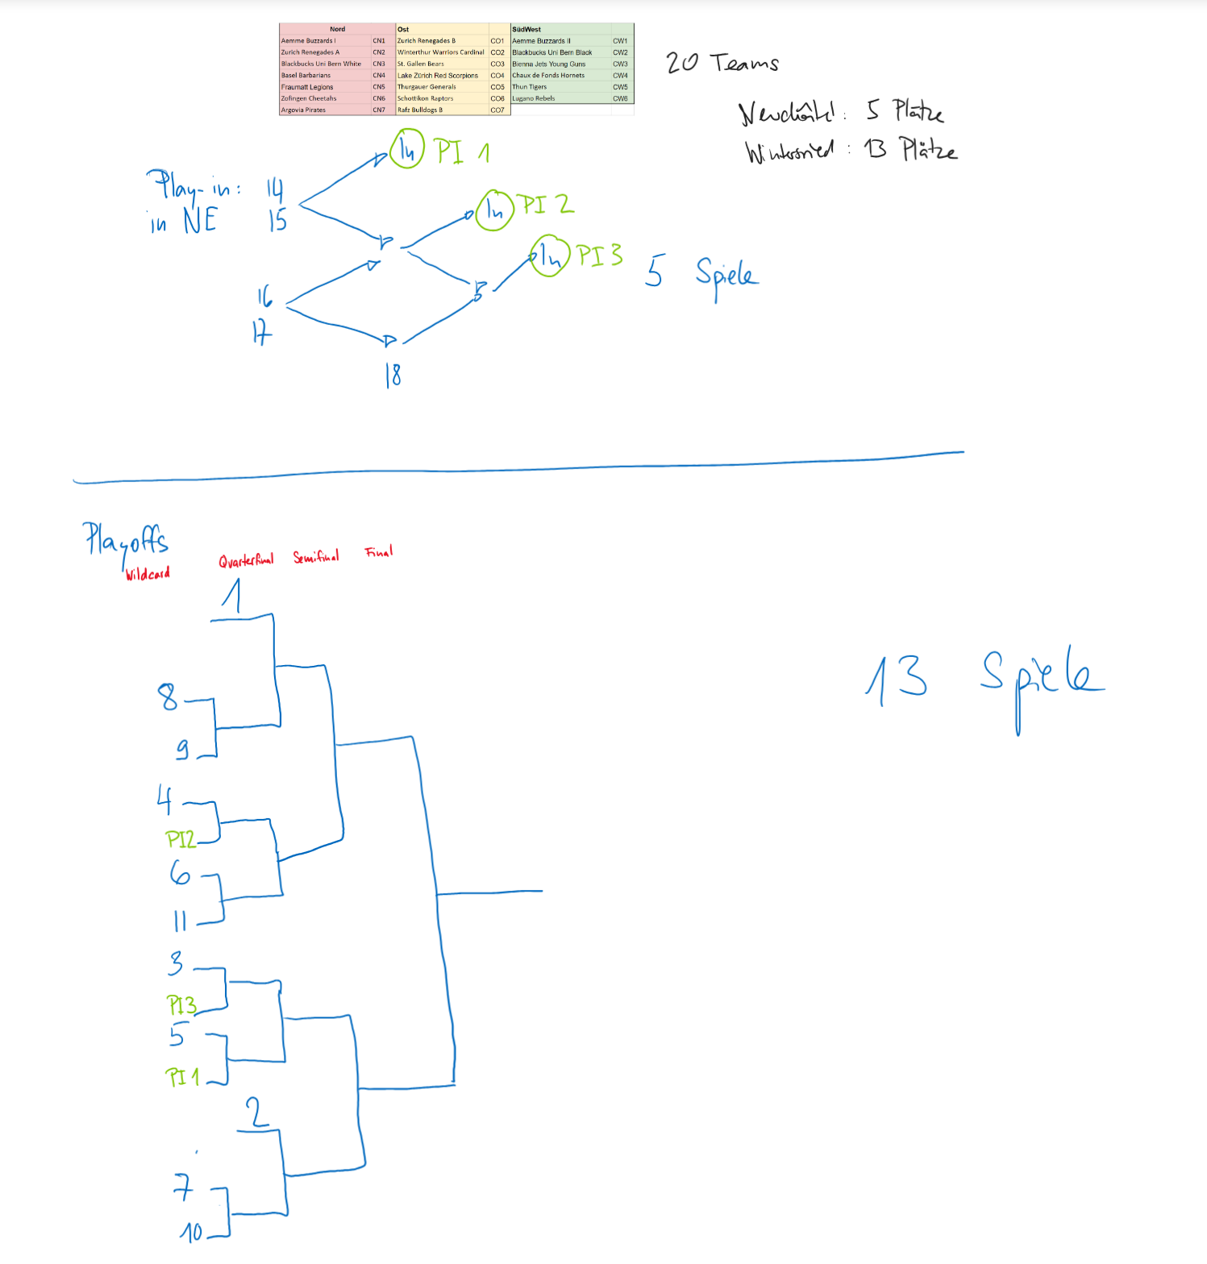
6

WC | QF | HF | F
Bye | 1

Bye | 6

Bye | 3

Bye | 4
 |  |  |  | 9 Spiele
Bye | 2

Bye | 5

7
10
8
9

13 Teams
WC | QF | HF | F
Bye | Bye | 1

2
13
3
12
4 |  |  |  | 12 Spiele
11
5
10
6
9
7
8

